Sheet1
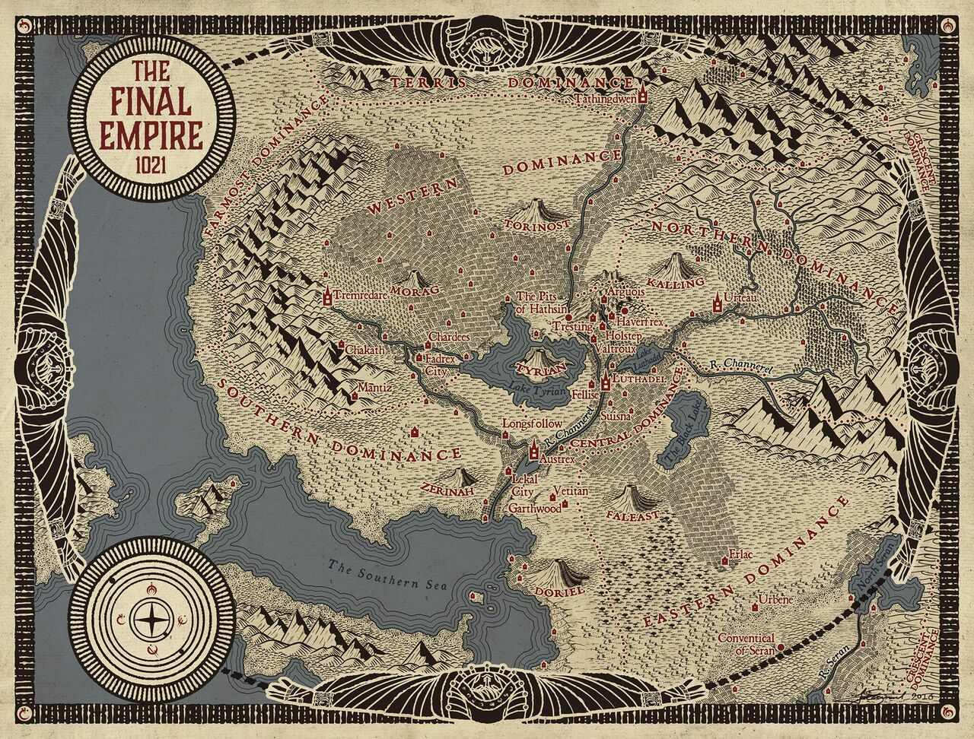
Scadrial

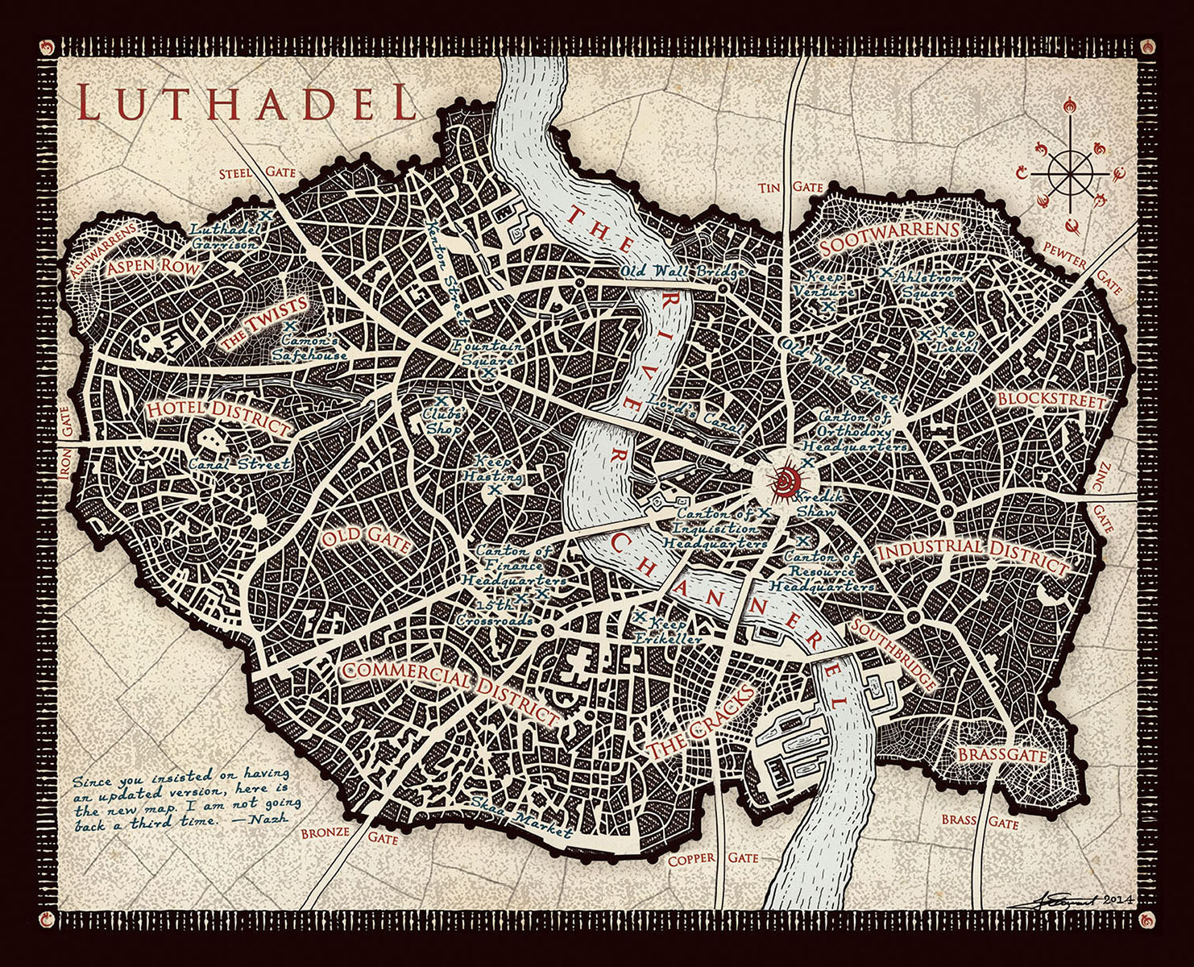
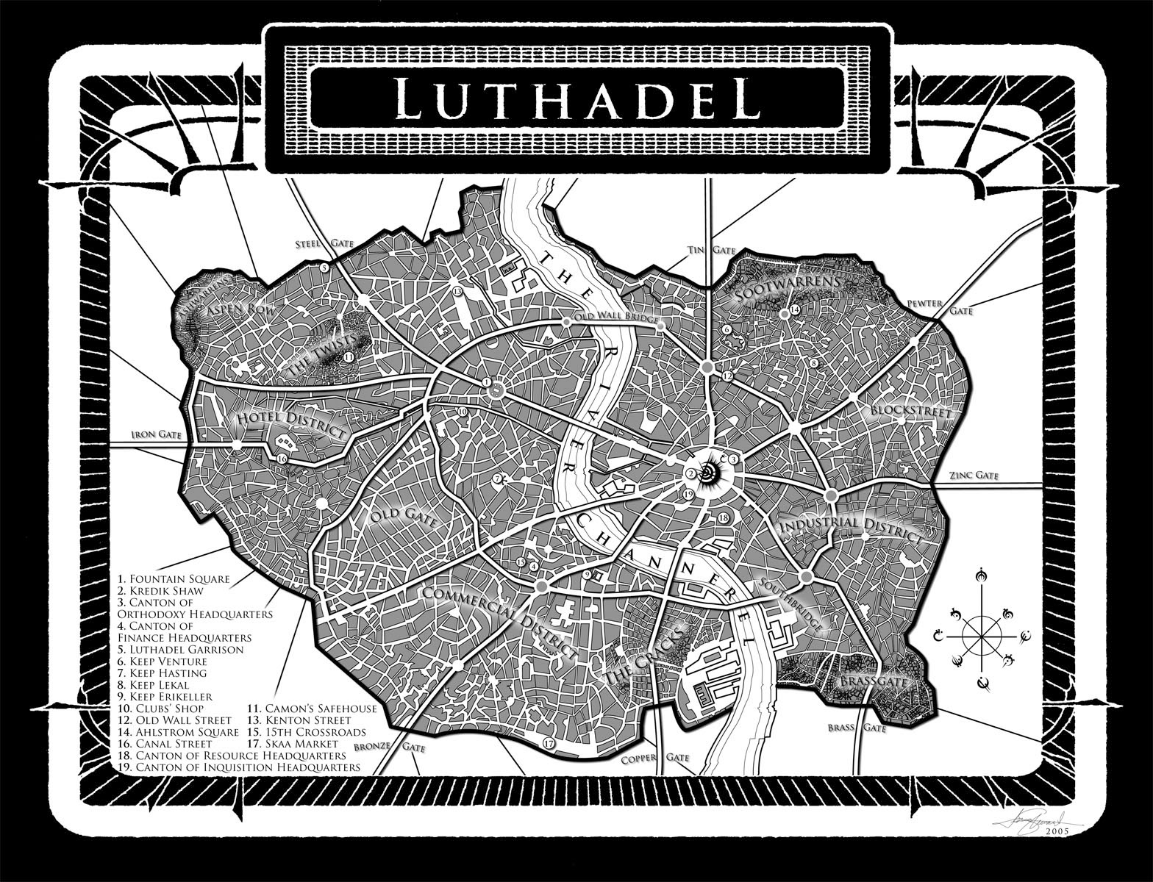
 | Central Dominance‎
 |  | Luthadel‎
 |  |  | Broken Quill
 |  |  | Camon's safe house
 |  |  | Clubs's shop
 |  |  | Fourwell Crossroads
 |  |  | Kenton Street
 |  |  | Kredik Shaw
 |  |  | Square of the Survivor

 |  | Arguois
 |  | Arguois caverns
 |  | Courteline
 |  | Fellise
 |  | Haverfrex
 |  | Holstep
 |  | Homeland
 |  | Lake Luthadel
 |  | River Channerel
 |  | Suisna
 |  | Tresting plantation
 |  | Lake Tyrian
 |  | Valtroux
 | Eastern Dominance
 |  | Black Lake
 |  | Conventical of Seran
 |  | Erlac
 |  | River Seran
 |  | Statlin City
 |  | Urbene
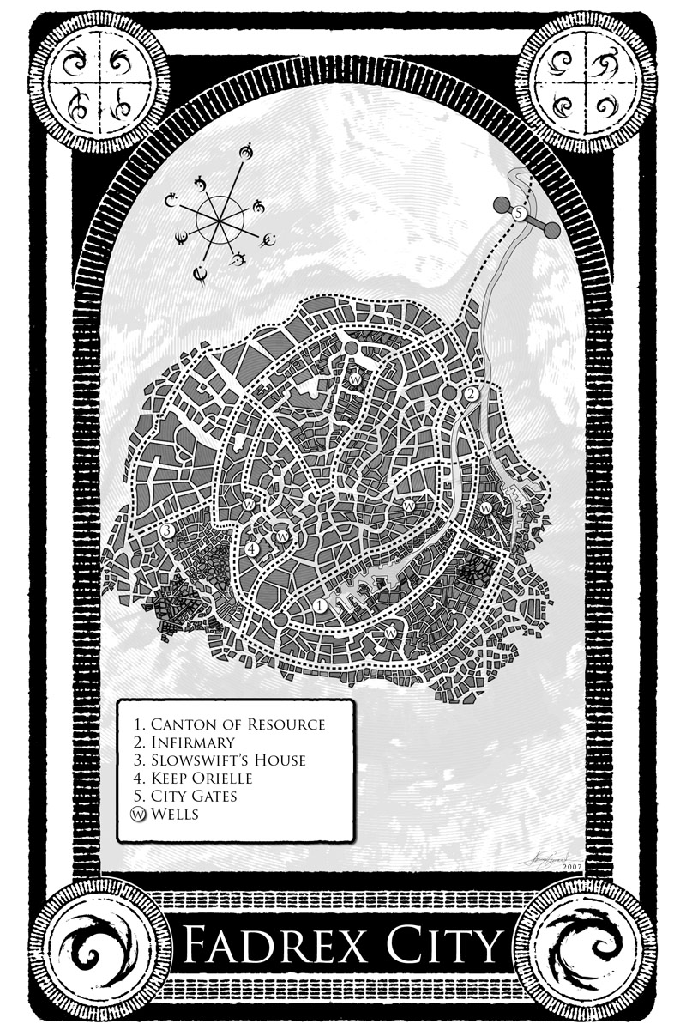
 | Fadrex City
 |  | Keep Orielle

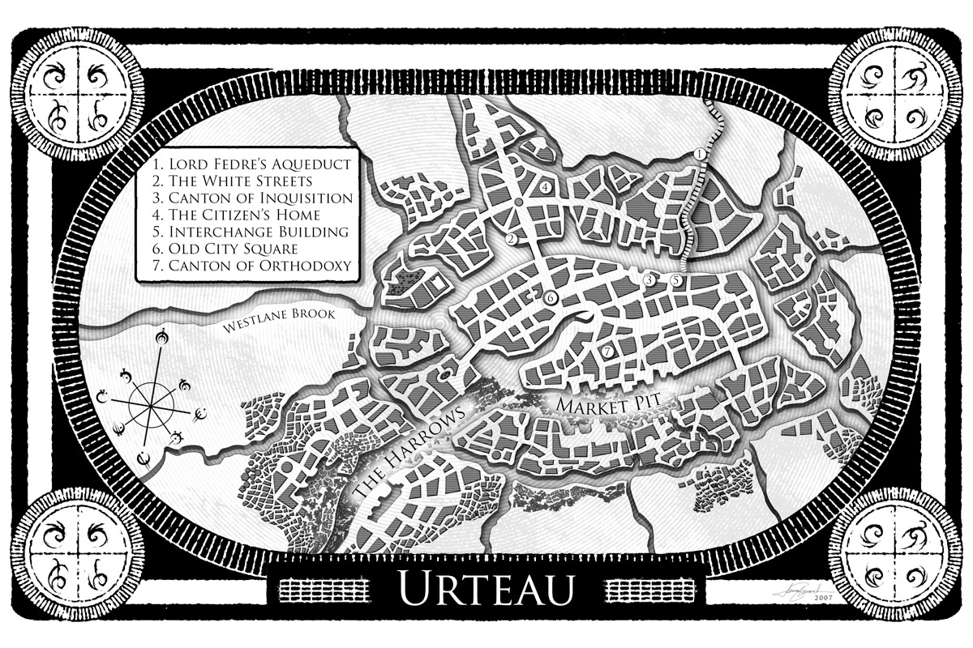
 | Northern Dominance
 |  | Urteau

 | Southern Dominance
 |  | Austrex
 |  | Lekal City
 |  | Longsfollow
 |  | Vetitan
 | Western Dominance
 |  | Chakath
 |  | Chardees
 |  | Fadrex City

 |  | Keep Shezler
 |  | Mantiz
 |  | Tremredare

